qActive
 |  | quant Mutual Fund
 |  | quant Multi Cap Fund
 |  | Multi Cap Fund - An open ended equity scheme investing across large cap, mid cap, small cap stocks
 |  | MONTHLY PORTFOLIO STATEMENT AS ON 30 Apr 2026

SR | ISIN | NAME OF THE INSTRUMENT | RATING | INDUSTRY | QUANTITY | MARKET VALUE(Rs.in Lakhs) | % to NAV | YTM
 |  | EQUITY & EQUITY RELATED
 |  | (a) Listed / awaiting listing on Stock Exchanges
1 | INE814H01029 | Adani Power Limited | N.A. | Power | 29026095 | 64394.39 | 8.63 | -
2 | INE406A01037 | Aurobindo Pharma Limited | N.A. | Pharmaceuticals & Biotechnology | 4294483 | 59671.84 | 7.99 | -
3 | INE090A01021 | ICICI Bank Limited | N.A. | Banks | 2865182 | 36198.71 | 4.85 | -
4 | INE423A01024 | Adani Enterprises Limited | N.A. | Metals & Minerals Trading | 1197088 | 28830.67 | 3.86 | -
5 | INE364U01010 | Adani Green Energy Limited | N.A. | Power | 2269622 | 27851.67 | 3.73 | -
6 | INE002A01018 | Reliance Industries Limited | N.A. | Petroleum Products | 1644035 | 23522.85 | 3.15 | -
7 | INE665A01038 | Swan Corp Limited | N.A. | Chemicals & Petrochemicals | 6537314 | 21864.05 | 2.93 | -
8 | INE775A01035 | Samvardhana Motherson International Ltd | N.A. | Auto Components | 17484000 | 21192.36 | 2.84 | -
9 | INE424H01027 | SUN TV Network Limited | N.A. | Entertainment | 3261000 | 19748.62 | 2.65 | -
10 | INE821I01022 | IRB Infrastructure Developers Limited | N.A. | Construction | 90215884 | 19432.5 | 2.60 | -
11 | INE699H01024 | Adani Wilmar Limited | N.A. | Agricultural Food & other Products | 8928426 | 17532.75 | 2.35 | -
12 | INE115A01026 | LIC Housing Finance Ltd | N.A. | Finance | 2779729 | 15419.16 | 2.07 | -
13 | INE007A01025 | CRISIL Limited | N.A. | Finance | 349522 | 14989.95 | 2.01 | -
14 | INE939A01011 | Strides Pharma Science Ltd | N.A. | Pharmaceuticals & Biotechnology | 1422000 | 14743.3 | 1.97 | -
15 | INE930H01031 | K.P.R. Mill Limited | N.A. | Textiles & Apparels | 1315789 | 12323.68 | 1.65 | -
16 | INE417T01026 | PB Fintech Limited | N.A. | Financial Technology (Fintech) | 653306 | 10885.38 | 1.46 | -
17 | INE14LE01019 | Aditya Birla Lifestyle Brands Limited | N.A. | Retailing | 10472170 | 10763.3 | 1.44 | -
18 | INE069I01010 | Embassy Developments Limited | N.A. | Realty | 22852575 | 10576.17 | 1.42 | -
19 | INE026A01025 | Gujarat State Fert & Chemicals Ltd | N.A. | Fertilizers & Agrochemicals | 6023538 | 10263.51 | 1.37 | -
20 | INE634A01018 | Honda India Power Products Limited | N.A. | Industrial Manufacturing | 432082 | 9977.21 | 1.34 | -
21 | INE0BS701011 | Premier Energies Limited | N.A. | Electrical Equipment | 950459 | 9677.1 | 1.30 | -
22 | INE281B01032 | Lloyds Metals And Energy Limited | N.A. | Minerals & Mining | 526769 | 9294.31 | 1.24 | -
23 | INE271B01025 | Maharashtra Seamless Ltd | N.A. | Industrial Products | 1382031 | 8845 | 1.18 | -
24 | INE0OJW01016 | Rossell Techsys Ltd | N.A. | Aerospace & Defense | 892817 | 8836.21 | 1.18 | -
25 | INE768C01028 | Zydus Wellness Ltd | N.A. | Food Products | 1676074 | 8523.67 | 1.14 | -
26 | INE584A01023 | NMDC Ltd | N.A. | Minerals & Mining | 9061012 | 8188.44 | 1.10 | -
27 | INE880J01026 | JSW Infrastructure Limited | N.A. | Transport Infrastructure | 2971072 | 8080.72 | 1.08 | -
28 | INE151A01013 | Tata Communications Limited | N.A. | Telecom - Services | 499229 | 7890.31 | 1.06 | -
29 | INE485A01015 | Century Enka Limited | N.A. | Textiles & Apparels | 1720053 | 7243.14 | 0.97 | -
30 | INE696F01016 | Juniper Hotels Limited | N.A. | Leisure Services | 3227555 | 6548.06 | 0.88 | -
31 | INE868B01028 | NCC Ltd | N.A. | Construction | 3612332 | 5918.44 | 0.79 | -
32 | INE191B01025 | Welspun Corp Limited | N.A. | Industrial Products | 374610 | 4745.37 | 0.64 | -
33 | INE647O01011 | Aditya Birla Fashion And Retail Ltd | N.A. | Retailing | 6282488 | 4033.36 | 0.54 | -
34 | INE548A01028 | HFCL Limited | N.A. | Telecom - Services | 3463172 | 4018.32 | 0.54 | -
35 | INE205C01021 | Poly Medicure Limited | N.A. | Healthcare Equipment & Supplies | 264798 | 4004.01 | 0.54 | -
36 | INE298J01013 | Nippon Life India Asset Management Ltd | N.A. | Capital Markets | 326556 | 3298.05 | 0.44 | -
37 | INE092A01019 | Tata Chemicals Ltd | N.A. | Chemicals & Petrochemicals | 404182 | 3269.83 | 0.44 | -
38 | INE228A01035 | Usha Martin Limited | N.A. | Industrial Products | 698546 | 3156.03 | 0.42 | -
39 | INE726G01019 | ICICI Prudential Life Insurance Co Ltd | N.A. | Insurance | 573931 | 2949.14 | 0.40 | -
40 | INE483B01026 | Indo Count Industries Limited | N.A. | Textiles & Apparels | 922314 | 2558.13 | 0.34 | -
41 | INE182A01018 | Pfizer Ltd | N.A. | Pharmaceuticals & Biotechnology | 53834 | 2535.9 | 0.34 | -
42 | INE470A01017 | 3M India Limited | N.A. | Diversified | 7304 | 2432.23 | 0.33 | -
43 | INE0U4701011 | Digitide Solutions Limited | N.A. | IT - Services | 1425304 | 1386.96 | 0.19 | -
44 | INE346A01027 | ICICI Prudential AMC Ltd | N.A. | Capital Markets | 20000 | 658.04 | 0.09 | -
45 | INE359U01028 | Lancer Container Lines Ltd. | N.A. | Transport Services | 5780096 | 624.25 | 0.08 | -
46 | INE018A01030 | Larsen & Toubro Limited | N.A. | Construction | 13708 | 550.24 | 0.07 | -
47 | INE847C01020 | Rossell India Limited | N.A. | Agricultural Food & other Products | 912700 | 506.91 | 0.07 | -
48 | INE998I01010 | Mahindra Holidays & Resorts Ind Ltd | N.A. | Leisure Services | 199882 | 493.81 | 0.07 | -
49 | INE0J1Y01017 | Life Insurance Corporation Of India | N.A. | Insurance | 53528 | 427.1 | 0.06 | -
 |  | Sub Total |  |  |  | 580875.16 | 77.80

 |  | (b) Unlisted
 |  | Sub Total
 |  | Total |  |  |  | 580875.16 | 77.80

 |  | DERIVATIVES
 |  | (a) Index / Stock Futures
50 | MIDCPNIFTY260526 | MIDCAPNIFTY 26/05/2026 | N.A. | N.A. | 410760 | 57012.05 | 7.64 | -
51 | ICICIBANK260526 | ICICI Bank Limited 26/05/2026 | N.A. | Banks | 2367400 | 30082.55 | 4.03 | -
52 | KOTAKBANK260526 | Kotak Mahindra Bank Limited 26/05/2026 | N.A. | Banks | 3970000 | 15320.23 | 2.05 | -
53 | RELIANCE260526 | Reliance Industries Limited 26/05/2026 | N.A. | Petroleum Products | 772000 | 11079.74 | 1.48 | -
...
 |  | Multi Cap Fund - An open ended equity scheme investing across large cap, mid cap, small cap stocks
 |  | MONTHLY PORTFOLIO STATEMENT AS ON 30 Apr 2026
 | 5 | Total outstanding exposure in derivatives instruments as on 30-Apr-2026 is 17.80%
 | 6 | Total Investments in foreign securities/ADRs / GDRs as on 30-Apr-2026 is NIL
 | 7 | The annual Portfolio Turnover Ratio is 2.71 times / The Average Maturity period is 0 Days
 | 8 | The funds parked in short term deposit(s) as on 30-Apr-2026 were NIL
 | 9 | Total value and percentage of Illiquid Equity Shares is Nil
 | 10 | Total Repo in Corporate Debt is Nil
 | 11 | Margin maintained for derivative instruments is Rs. 27323.52 Lakhs

 | Risk-o-meter of the Scheme

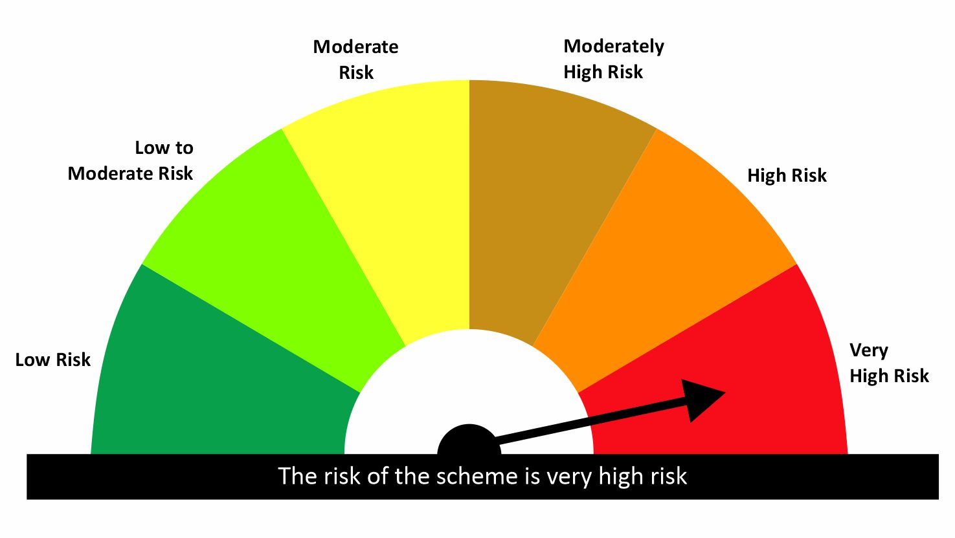

 | Risk-o-meter of the Benchmark- NIFTY500 MULTICAP 50 25 25 TRI

qLF
...
 | Liquid Fund - An open-ended Liquid Scheme.
 | MONTHLY PORTFOLIO STATEMENT AS ON 30 Apr 2026
 | Description | The investment objective of the scheme is to generate income through a portfolio comprising money market and debt instruments. There is no assurance that the investment objective of the Scheme will be realized
 | Annualised Portfolio YTM | 5.63%
 | Macaulay Duration (Days) | 29
 | Residual Maturity (Days) | 29
 | As on (Date) | 30/04/26

Risk-o-meter of the Scheme

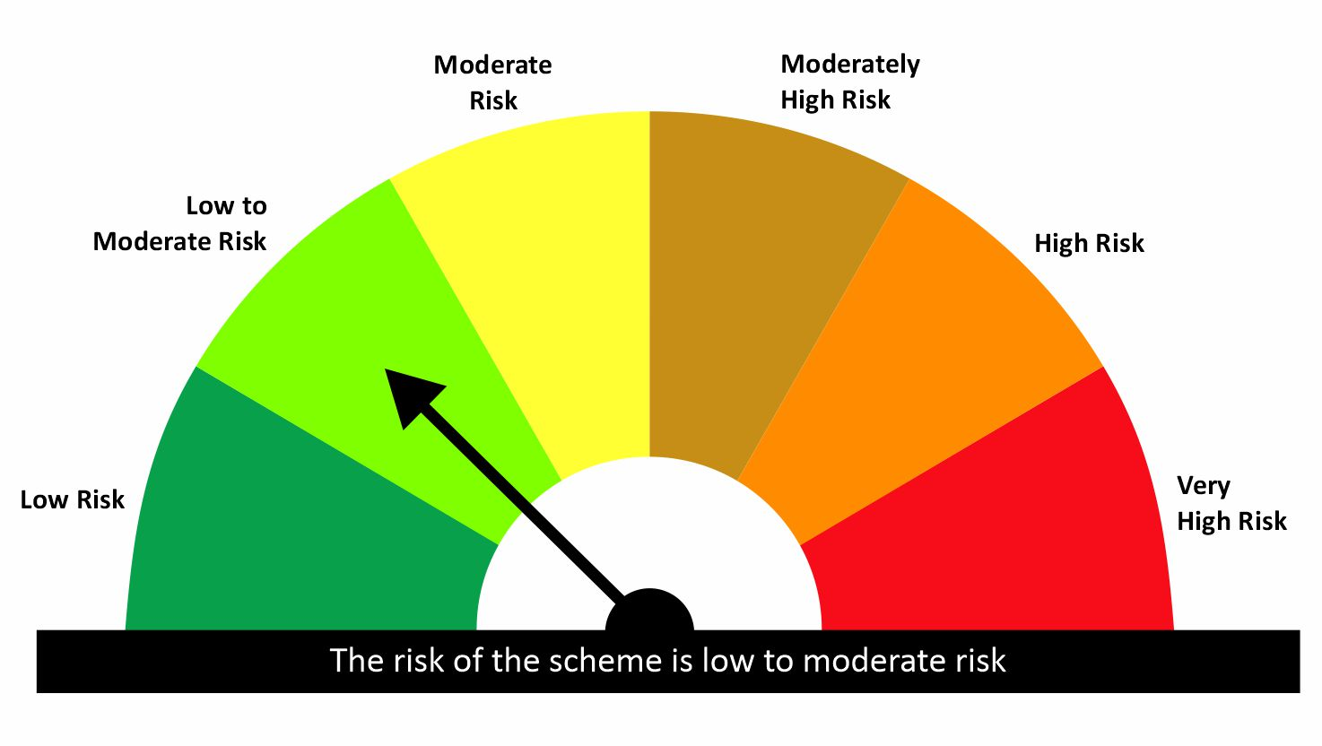

Risk-o-meter of the Benchmark- CRISIL Liquid Fund A1 Index

qMES
...
 | An open ended scheme investing in equity, arbitrage and debt.
 | MONTHLY PORTFOLIO STATEMENT AS ON 30 Apr 2026
5 | Total outstanding exposure in derivatives instruments as on 30-Apr-2026 is -41.78%
6 | Total Investments in foreign securities/ADRs / GDRs as on 30-Apr-2026 is NIL
7 | The annual Portfolio Turnover Ratio is 9.32 times / The Average Maturity period is 420 Days
8 | The funds parked in short term deposit(s) as on 30-Apr-2026 were NIL
9 | Total value and percentage of Illiquid Equity Shares is Nil
10 | Total Repo in Corporate Debt is Nil
11 | Margin maintained for derivative instruments is Rs. 444.59 Lakhs

Risk-o-meter of the Scheme

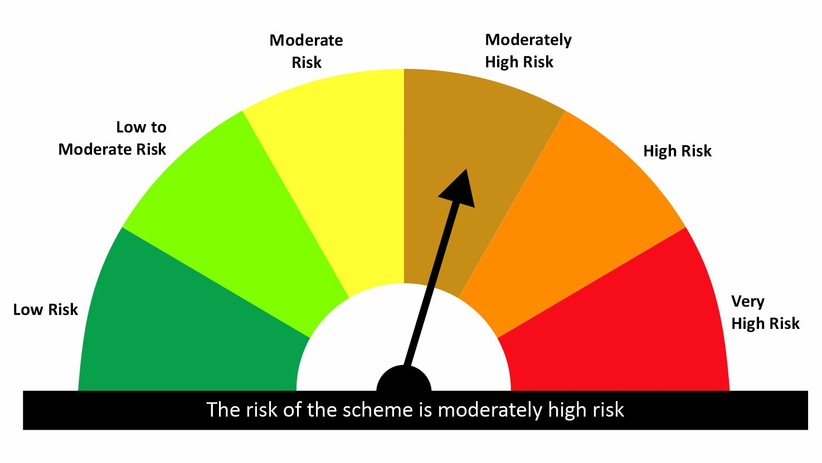

Risk-o-meter of the Benchmark- NIFTY Equity Savings Index

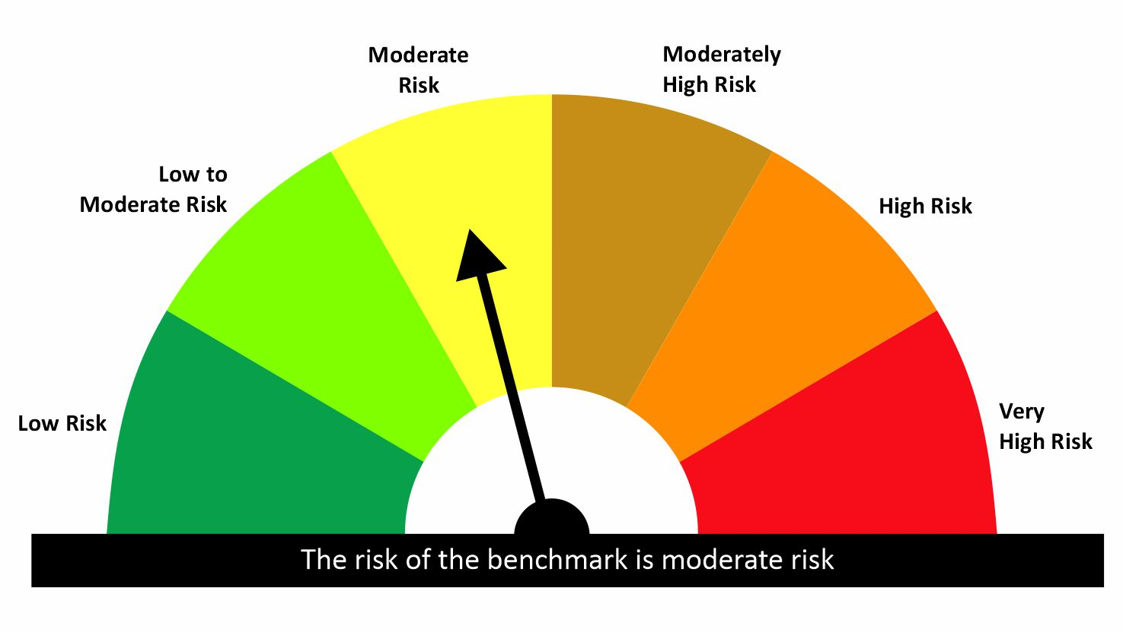

qMON
...
 | An open ended Debt Scheme investing in Overnight securities
 | MONTHLY PORTFOLIO STATEMENT AS ON 30 Apr 2026
 | Description | The primary objective of the scheme is to generate returns by investing in debt and money market instruments with overnight maturity.
 | Annualised Portfolio YTM | 4.95%
 | Macaulay Duration (Days) | 4
 | Residual Maturity (Days) | 4
 | As on (Date) | 30/04/26

Risk-o-meter of the Scheme

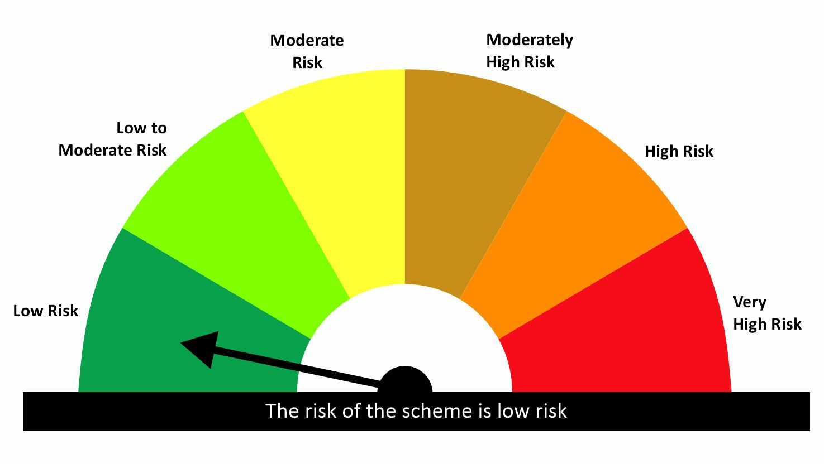

Risk-o-meter of the Benchmark- CRISIL Liquid Overnight Index

qMDA
...
 | An open ended equity scheme predominantly investing in large cap stocks
 | MONTHLY PORTFOLIO STATEMENT AS ON 30 Apr 2026
Risk-o-meter of the Benchmark- NIFTY 50 Hybrid Composite debt 50:50 Index

