Equity
quant Small Cap Fund |  |  |  |  |  |  | AUM in (Cr.) | 35,557.21
Period | Scheme Return(%) |  | Benchmark Return(%) | Nifty Return(%) | Value of Rs.10,000 invested
 |  |  |  |  | Scheme |  | Benchmark | Nifty
 | Direct | Regular |  |  | Direct | Regular
6 Months | 23.63 | 23.09 | 16.1 | -3.6 | 12363 | 12309 | 11610 | 9640
YTD | 15.39 | 14.74 | 10.71 | -7.06 | 11539 | 11474 | 11071 | 9294
1 Year | 18.78 | 17.76 | 11.95 | -0.35 | 11878 | 11776 | 11195 | 9965
3 Years | 18.25 | 17.18 | 16.17 | 9 | 16536 | 16090 | 15678 | 12951
5 Years | 20.69 | 19.32 | 16.56 | 8.32 | 25607 | 24188 | 21513 | 14915
SI | 17.82 | 11.96 | 15.98 | 12.1 | 93666 | 291265 | 75601

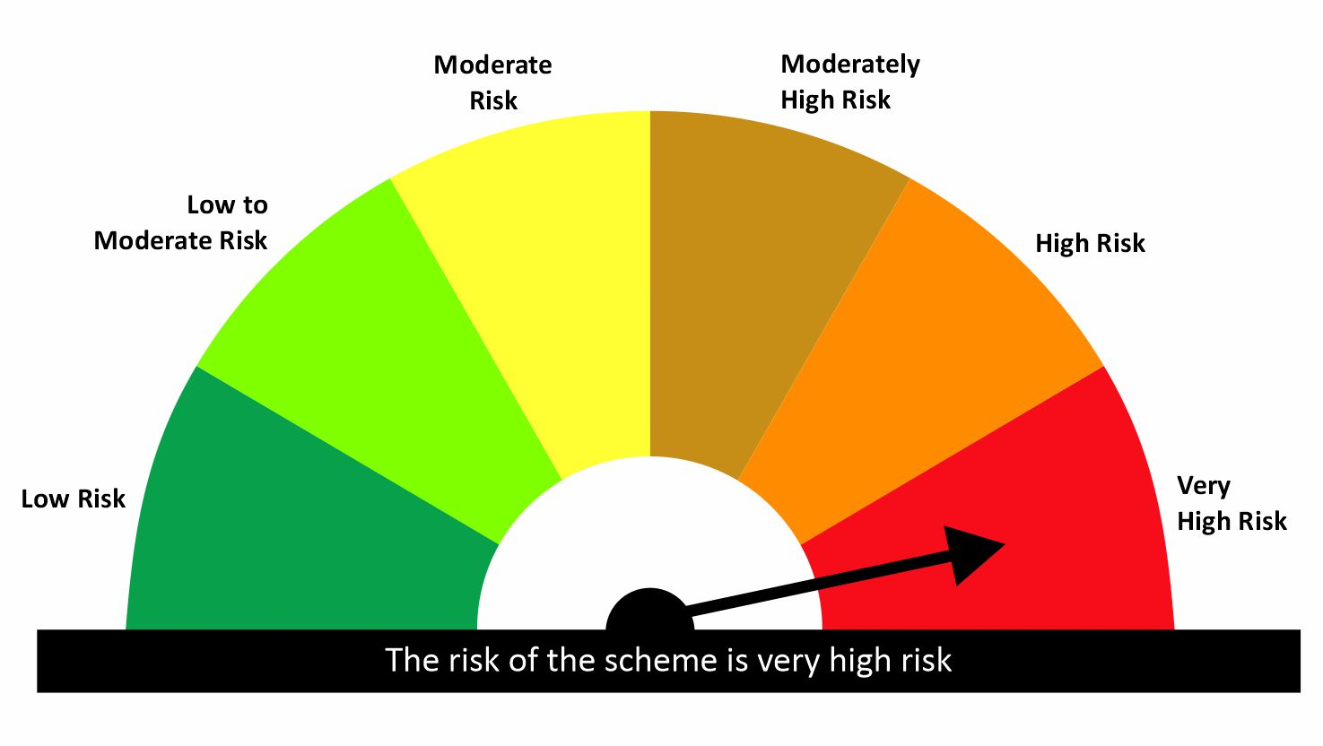

 |  |  |  | Scheme Riskometer |  | Benchmark Riskometer: NIFTY SMALLCAP 250 TRI
Scheme Name |  |  | NAV as on date August 31, 2026
quant Small Cap Fund - Regular IDCW |  |  | 231.6279
quant Small Cap Fund - Regular Growth |  |  | 291.2631
quant Small Cap Fund - Direct Growth |  |  | 319.4943
quant Small Cap Fund - Direct IDCW |  |  | 249.7454

Since Inception Date = Date of First allotment in the Scheme / Plan. Past performance may or may not be sustained in the future. Returns are compounded annualized (CAGR) for more than 1 year. Load is not taken into consideration for computation of performance. Different plans viz. Regular Plan and Direct Plan have a different expense structure. The expenses of the Direct Plan under the Scheme will be lower to the extent of the distribution expenses / commission charged in the Regular Plan.

quant ELSS Tax Saver Fund |  |  |  |  |  |  | AUM in (Cr.) | 13,457.65
Period | Scheme Return(%) |  | Benchmark Return(%) | Nifty Return(%) | Value of Rs.10,000 invested
 |  |  |  |  | Scheme |  | Benchmark | Nifty
 | Direct | Regular |  |  | Direct | Regular
6 Months | 12.33 | 11.77 | 1.87 | -3.6 | 11233 | 11177 | 10187 | 9640
YTD | 8.73 | 8.03 | -1.18 | -7.06 | 10873 | 10803 | 9882 | 9294
1 Year | 18.21 | 17.03 | 5.34 | -0.35 | 11821 | 11703 | 10534 | 9965
3 Years | 16.53 | 15.32 | 12.55 | 9 | 15824 | 15337 | 14257 | 12951
5 Years | 16.57 | 15.09 | 11.13 | 8.32 | 21521 | 20189 | 16946 | 14915
SI | 19.88 | 15.12 | 13.52 | 12.1 | 118688 | 410709 | 56424 | 225717

 |  |  |  | Scheme Riskometer |  | Benchmark Riskometer: NIFTY 500 TRI
Scheme Name |  |  | NAV as on date August 31, 2026
Quant ELSS Tax Saver Fund - Regular IDCW |  |  | 57.031
Quant ELSS Tax Saver Fund - Regular Growth |  |  | 410.7047
Quant ELSS Tax Saver Fund - Direct Growth |  |  | 464.6873
Quant ELSS Tax Saver Fund - Direct IDCW |  |  | 61.9449

Since Inception Date = Date of First allotment in the Scheme / Plan. Past performance may or may not be sustained in the future. Returns are compounded annualized (CAGR) for more than 1 year. Load is not taken into consideration for computation of performance. Different plans viz. Regular Plan and Direct Plan have a different expense structure. The expenses of the Direct Plan under the Scheme will be lower to the extent of the distribution expenses / commission charged in the Regular Plan.

quant Mid Cap Fund |  |  |  |  |  |  | AUM in (Cr.) | 8,055.58
Period | Scheme Return(%) |  | Benchmark Return(%) | Nifty Return(%) | Value of Rs.10,000 invested
 |  |  |  |  | Scheme |  | Benchmark | Nifty
 | Direct | Regular |  |  | Direct | Regular
6 Months | 14.35 | 13.75 | 8.09 | -3.6 | 11435 | 11375 | 10809 | 9640
YTD | 7.53 | 6.79 | 5.73 | -7.06 | 10753 | 10679 | 10573 | 9294
1 Year | 10.86 | 9.71 | 14.13 | -0.35 | 11086 | 10971 | 11413 | 9965
3 Years | 13.56 | 12.33 | 17.69 | 9 | 14645 | 14174 | 16301 | 12951
5 Years | 17.06 | 15.36 | 17.83 | 8.32 | 21982 | 20430 | 22716 | 14915
SI | 16.74 | 12.97 | 18.2 | 12.1 | 82647 | 222883 | 97944 | 291495

 |  |  |  | Scheme Riskometer |  | Benchmark Riskometer: NIFTY MIDCAP 150 TRI
Scheme Name |  |  | NAV as on date August 31, 2026
quant Mid Cap Fund - Regular IDCW |  |  | 79.2365
quant Mid Cap Fund - Regular Growth |  |  | 222.8855
quant Mid Cap Fund - Direct Growth |  |  | 252.964
quant Mid Cap Fund - Direct IDCW |  |  | 88.8511

Since Inception Date = Date of First allotment in the Scheme / Plan. Past performance may or may not be sustained in the future. Returns are compounded annualized (CAGR) for more than 1 year. Load is not taken into consideration for computation of performance. Different plans viz. Regular Plan and Direct Plan have a different expense structure. The expenses of the Direct Plan under the Scheme will be lower to the extent of the distribution expenses / commission charged in the Regular Plan.

quant Multi Cap Fund |  |  |  |  |  |  | AUM in (Cr.) | 7,724.57
Period | Scheme Return(%) |  | Benchmark Return(%) | Nifty Return(%) | Value of Rs.10,000 invested
 |  |  |  |  | Scheme |  | Benchmark | Nifty
 | Direct | Regular |  |  | Direct | Regular
6 Months | 15.05 | 14.4 | 5.02 | -3.6 | 11505 | 11440 | 10502 | 9640
YTD | 9.34 | 8.54 | 1.67 | -7.06 | 10934 | 10854 | 10167 | 9294
1 Year | 12.73 | 11.47 | 7.56 | -0.35 | 11273 | 11147 | 10756 | 9965
3 Years | 11.14 | 9.92 | 13.98 | 9 | 13728 | 13282 | 14807 | 12951
5 Years | 12.82 | 11.44 | 13.21 | 8.32 | 18280 | 17187 | 18598 | 14915
SI | 18.3 | 17.98 | 14.98 | 12.1 | 99117 | 663673 | 67174 | 319462

 |  |  |  | Scheme Riskometer |  | Benchmark Riskometer: NIFTY500 MULTICAP 50 25 25 TRI
Scheme Name |  |  | NAV as on date August 31, 2026
quant Multi Cap Fund - Regular IDCW |  |  | 75.8995
quant Multi Cap Fund - Regular Growth |  |  | 663.6741
quant Multi Cap Fund - Direct IDCW |  |  | 84.8246
quant Multi Cap Fund - Direct Growth |  |  | 732.453

Since Inception Date = Date of First allotment in the Scheme / Plan. Past performance may or may not be sustained in the future. Returns are compounded annualized (CAGR) for more than 1 year. Load is not taken into consideration for computation of performance. Different plans viz. Regular Plan and Direct Plan have a different expense structure. The expenses of the Direct Plan under the Scheme will be lower to the extent of the distribution expenses / commission charged in the Regular Plan.

quant Flexi Cap Fund |  |  |  |  |  |  | AUM in (Cr.) | 7,363.92
Period | Scheme Return(%) |  | Benchmark Return(%) | Nifty Return(%) | Value of Rs.10,000 invested
 |  |  |  |  | Scheme |  | Benchmark | Nifty
 | Direct | Regular |  |  | Direct | Regular
6 Months | 12.47 | 11.82 | 1.87 | -3.6 | 11247 | 11182 | 10187 | 9640
YTD | 9.04 | 8.22 | -1.18 | -7.06 | 10904 | 10822 | 9882 | 9294
1 Year | 18.14 | 16.8 | 5.34 | -0.35 | 11814 | 11680 | 10534 | 9965
3 Years | 17 | 15.66 | 12.55 | 9 | 16018 | 15471 | 14257 | 12951
5 Years | 15.86 | 14.57 | 11.13 | 8.32 | 20880 | 19741 | 16946 | 14915
SI | 18.55 | 14.24 | 13.52 | 12.1 | 101988 | 107970 | 56424 | 97031

 |  |  |  | Scheme Riskometer |  | Benchmark Riskometer: NIFTY 500 TRI
Scheme Name |  |  | NAV as on date August 31, 2026
quant Flexicap Fund - Regular Growth |  |  | 107.9699
quant Flexicap Fund - Regular IDCW |  |  | 77.1681
quant Flexicap Fund - Direct Growth |  |  | 121.5354
quant Flexicap Fund - Direct IDCW |  |  | 82.6127

Since Inception Date = Date of First allotment in the Scheme / Plan. Past performance may or may not be sustained in the future. Returns are compounded annualized (CAGR) for more than 1 year. Load is not taken into consideration for computation of performance. Different plans viz. Regular Plan and Direct Plan have a different expense structure. The expenses of the Direct Plan under the Scheme will be lower to the extent of the distribution expenses / commission charged in the Regular Plan.

quant Large Cap Fund |  |  |  |  |  |  | AUM in (Cr.) | 3,651.08
Period | Scheme Return(%) |  | Benchmark Return(%) | Nifty Return(%) | Value of Rs.10,000 invested
 |  |  |  |  | Scheme |  | Benchmark | Nifty
 | Direct | Regular |  |  | Direct | Regular
6 Months | 6.7 | 5.92 | -1.81 | -3.6 | 10670 | 10592 | 9819 | 9640
YTD | 3.85 | 2.86 | -4.73 | -7.06 | 10385 | 10286 | 9527 | 9294
1 Year | 10.31 | 8.7 | 1.98 | -0.35 | 11031 | 10870 | 10198 | 9965
3 Years | 15 | 13.3 | 10.74 | 9 | 15207 | 14543 | 13579 | 12951
5 Years
SI | 13.63 | 11.86 | 9.98 | 9.18 | 16786 | 15754 | 14707 | 14277

 |  |  |  | Scheme Riskometer |  | Benchmark Riskometer: NIFTY 100 TRI
Scheme Name |  |  | NAV as on date August 31, 2026
quant Large Cap Fund - Regular Growth |  |  | 15.7535
quant Large Cap Fund - Regular IDCW |  |  | 15.6663
quant Large Cap Fund - Direct Growth |  |  | 16.7857
quant Large Cap Fund - Direct IDCW |  |  | 16.855

Since Inception Date = Date of First allotment in the Scheme / Plan. Past performance may or may not be sustained in the future. Returns are compounded annualized (CAGR) for more than 1 year. Load is not taken into consideration for computation of performance. Different plans viz. Regular Plan and Direct Plan have a different expense structure. The expenses of the Direct Plan under the Scheme will be lower to the extent of the distribution expenses / commission charged in the Regular Plan.

quant Large & Mid Cap Fund |  |  |  |  |  |  | AUM in (Cr.) | 3,487.47
Period | Scheme Return(%) |  | Benchmark Return(%) | Nifty Return(%) | Value of Rs.10,000 invested
 |  |  |  |  | Scheme |  | Benchmark | Nifty
 | Direct | Regular |  |  | Direct | Regular
6 Months | 16.54 | 15.82 | 3.09 | -3.6 | 11654 | 11582 | 10309 | 9640
YTD | 9.73 | 8.86 | 0.43 | -7.06 | 10973 | 10886 | 10043 | 9294
1 Year | 15.76 | 14.34 | 7.96 | -0.35 | 11576 | 11434 | 10796 | 9965
3 Years | 16.76 | 15.29 | 14.26 | 9 | 15918 | 15326 | 14919 | 12951
5 Years | 16.96 | 15.26 | 13.44 | 8.32 | 21887 | 20344 | 18783 | 14915
SI | 17.99 | 13.73 | 15.48 | 12.1 | 95540 | 125099 | 71302 | 77514

 |  |  |  | Scheme Riskometer |  | Benchmark Riskometer: NIFTY LARGEMIDCAP 250 TRI
Scheme Name |  |  | NAV as on date August 31, 2026
quant Large & Mid Cap Fund - Regular IDCW |  |  | 76.3598
quant Large & Mid Cap Fund - Regular Growth |  |  | 125.0983
quant Large & Mid Cap Fund - Direct IDCW |  |  | 64.6449
quant Large & Mid Cap Fund - Direct Growth |  |  | 138.8359

Since Inception Date = Date of First allotment in the Scheme / Plan. Past performance may or may not be sustained in the future. Returns are compounded annualized (CAGR) for more than 1 year. Load is not taken into consideration for computation of performance. Different plans viz. Regular Plan and Direct Plan have a different expense structure. The expenses of the Direct Plan under the Scheme will be lower to the extent of the distribution expenses / commission charged in the Regular Plan.

quant Infrastructure Fund |  |  |  |  |  |  | AUM in (Cr.) | 3,163.71
Period | Scheme Return(%) |  | Benchmark Return(%) | Nifty Return(%) | Value of Rs.10,000 invested
 |  |  |  |  | Scheme |  | Benchmark | Nifty
 | Direct | Regular |  |  | Direct | Regular
6 Months | 14.52 | 13.83 | -3.16 | -3.6 | 11452 | 11383 | 9684 | 9640
YTD | 9.93 | 9.07 | -4.54 | -7.06 | 10993 | 10907 | 9546 | 9294
1 Year | 17.12 | 15.71 | 4.31 | -0.35 | 11712 | 11571 | 10431 | 9965
3 Years | 19.05 | 17.58 | 16.52 | 9 | 16873 | 16255 | 15821 | 12951
5 Years | 19.77 | 18.07 | 15.44 | 8.32 | 24646 | 22944 | 20497 | 14915
SI | 17.23 | 7.8 | 11.11 | 12.1 | 87512 | 41493 | 42095 | 63486

 |  |  |  | Scheme Riskometer |  | Benchmark Riskometer: NIFTY INFRASTRUCTURE TRI
Scheme Name |  |  | NAV as on date August 31, 2026
quant Infrastructure Fund - Regular IDCW |  |  | 41.3999
quant Infrastructure Fund - Regular Growth |  |  | 41.4928
quant Infrastructure Fund - Direct Growth |  |  | 46.154
quant Infrastructure Fund - Direct IDCW |  |  | 46.1167

Since Inception Date = Date of First allotment in the Scheme / Plan. Past performance may or may not be sustained in the future. Returns are compounded annualized (CAGR) for more than 1 year. Load is not taken into consideration for computation of performance. Different plans viz. Regular Plan and Direct Plan have a different expense structure. The expenses of the Direct Plan under the Scheme will be lower to the extent of the distribution expenses / commission charged in the Regular Plan.

quant Value Fund |  |  |  |  |  |  | AUM in (Cr.) | 1,977.54
Period | Scheme Return(%) |  | Benchmark Return(%) | Nifty Return(%) | Value of Rs.10,000 invested
 |  |  |  |  | Scheme |  | Benchmark | Nifty
 | Direct | Regular |  |  | Direct | Regular
6 Months | 17.02 | 16.1 | 1.87 | -3.6 | 11702 | 11610 | 10187 | 9640
YTD | 14 | 12.84 | -1.18 | -7.06 | 11400 | 11284 | 9882 | 9294
1 Year | 22.78 | 20.89 | 5.34 | -0.35 | 12278 | 12089 | 10534 | 9965
3 Years | 22.34 | 20.49 | 12.55 | 9 | 18308 | 17492 | 14257 | 12951
5 Years
SI | 20.53 | 18.57 | 11.54 | 8.93 | 24277 | 22461 | 16800 | 15011

 |  |  |  | Scheme Riskometer |  | Benchmark Riskometer: NIFTY 500 TRI
Scheme Name |  |  | NAV as on date August 31, 2026
Quant Value Fund - Regular Growth |  |  | 22.4615
Quant Value Fund - Regular IDCW |  |  | 22.5846
Quant Value Fund - Direct Growth |  |  | 24.2767
Quant Value Fund - Direct IDCW |  |  | 23.0658

Since Inception Date = Date of First allotment in the Scheme / Plan. Past performance may or may not be sustained in the future. Returns are compounded annualized (CAGR) for more than 1 year. Load is not taken into consideration for computation of performance. Different plans viz. Regular Plan and Direct Plan have a different expense structure. The expenses of the Direct Plan under the Scheme will be lower to the extent of the distribution expenses / commission charged in the Regular Plan.

quant Quantamental Fund |  |  |  |  |  |  | AUM in (Cr.) | 1,631.96
Period | Scheme Return(%) |  | Benchmark Return(%) | Nifty Return(%) | Value of Rs.10,000 invested
 |  |  |  |  | Scheme |  | Benchmark | Nifty
 | Direct | Regular |  |  | Direct | Regular
6 Months | 8.91 | 8.18 | 0.2 | -3.6 | 10891 | 10818 | 10020 | 9640
YTD | 5.84 | 4.93 | -2.71 | -7.06 | 10584 | 10493 | 9729 | 9294
1 Year | 16.08 | 14.56 | 4.51 | -0.35 | 11608 | 11456 | 10451 | 9965
3 Years | 17.12 | 15.56 | 12.09 | 9 | 16064 | 15431 | 14082 | 12951
5 Years | 20.24 | 18.47 | 10.42 | 8.32 | 25132 | 23334 | 16418 | 14915
SI | 20.46 | 18.7 | 13.2 | 11.16 | 26961 | 24929 | 19362 | 17573

 |  |  |  | Scheme Riskometer |  | Benchmark Riskometer: NIFTY 200 TRI
Scheme Name |  |  | NAV as on date August 31, 2026
quant quantamental Fund - Regular Growth |  |  | 24.9295
quant quantamental Fund - Regular IDCW |  |  | 24.9584
quant quantamental Fund - Direct Growth |  |  | 27.0265
quant quantamental Fund - Direct IDCW |  |  | 27.1749

Since Inception Date = Date of First allotment in the Scheme / Plan. Past performance may or may not be sustained in the future. Returns are compounded annualized (CAGR) for more than 1 year. Load is not taken into consideration for computation of performance. Different plans viz. Regular Plan and Direct Plan have a different expense structure. The expenses of the Direct Plan under the Scheme will be lower to the extent of the distribution expenses / commission charged in the Regular Plan.

quant Momentum Fund |  |  |  |  |  |  | AUM in (Cr.) | 1,354.89
Period | Scheme Return(%) |  | Benchmark Return(%) | Nifty Return(%) | Value of Rs.10,000 invested
 |  |  |  |  | Scheme |  | Benchmark | Nifty
 | Direct | Regular |  |  | Direct | Regular
6 Months | 11.42 | 10.75 | 1.87 | -3.6 | 11142 | 11075 | 10187 | 9640
YTD | 7.57 | 6.74 | -1.18 | -7.06 | 10757 | 10674 | 9882 | 9294
1 Year | 14.95 | 13.59 | 5.34 | -0.35 | 11495 | 11359 | 10534 | 9965
3 Years
5 Years
SI | 18.5 | 17 | 12.02 | 8.8 | 16028 | 15470 | 13708 | 12640

 |  |  |  | Scheme Riskometer |  | Benchmark Riskometer: NIFTY 500 TRI
Scheme Name |  |  | NAV as on date August 31, 2026
Quant Momentum Fund- Regular Growth |  |  | 15.4703
Quant Momentum Fund- Regular IDCW |  |  | 15.4212
Quant Momentum Fund- Direct Growth |  |  | 16.0281
Quant Momentum Fund- Direct IDCW |  |  | 16.0117

Since Inception Date = Date of First allotment in the Scheme / Plan. Past performance may or may not be sustained in the future. Returns are compounded annualized (CAGR) for more than 1 year. Load is not taken into consideration for computation of performance. Different plans viz. Regular Plan and Direct Plan have a different expense structure. The expenses of the Direct Plan under the Scheme will be lower to the extent of the distribution expenses / commission charged in the Regular Plan.

quant Business Cycle Fund |  |  |  |  |  |  | AUM in (Cr.) | 984.65
Period | Scheme Return(%) |  | Benchmark Return(%) | Nifty Return(%) | Value of Rs.10,000 invested
 |  |  |  |  | Scheme |  | Benchmark | Nifty
 | Direct | Regular |  |  | Direct | Regular
6 Months | 10.19 | 9.33 | 1.87 | -3.6 | 11019 | 10933 | 10187 | 9640
YTD | 6.53 | 5.46 | -1.18 | -7.06 | 10653 | 10546 | 9882 | 9294
1 Year | 11.94 | 10.24 | 5.34 | -0.35 | 11194 | 11024 | 10534 | 9965
3 Years | 13.85 | 12.12 | 12.55 | 9 | 14758 | 14095 | 14257 | 12951
5 Years
SI | 18.62 | 16.8 | 14.05 | 9.54 | 17436 | 16578 | 15342 | 13454

 |  |  |  | Scheme Riskometer |  | Benchmark Riskometer: NIFTY 500 TRI
Scheme Name |  |  | NAV as on date August 31, 2026
Quant Business Cycle Fund - Regular Growth |  |  | 16.5778
Quant Business Cycle Fund - Regular IDCW |  |  | 16.5936
Quant Business Cycle Fund - Direct IDCW |  |  | 17.4362
Quant Business Cycle Fund - Direct Growth |  |  | 17.4232

Since Inception Date = Date of First allotment in the Scheme / Plan. Past performance may or may not be sustained in the future. Returns are compounded annualized (CAGR) for more than 1 year. Load is not taken into consideration for computation of performance. Different plans viz. Regular Plan and Direct Plan have a different expense structure. The expenses of the Direct Plan under the Scheme will be lower to the extent of the distribution expenses / commission charged in the Regular Plan.

quant BFSI Fund |  |  |  |  |  |  | AUM in (Cr.) | 922.02
Period | Scheme Return(%) |  | Benchmark Return(%) | Nifty Return(%) | Value of Rs.10,000 invested
 |  |  |  |  | Scheme |  | Benchmark | Nifty
 | Direct | Regular |  |  | Direct | Regular
6 Months | 11.56 | 10.68 | -4.87 | -3.6 | 11156 | 11068 | 9513 | 9640
YTD | 9.03 | 7.9 | -4.14 | -7.06 | 10903 | 10790 | 9586 | 9294
1 Year | 24.46 | 22.51 | 3.77 | -0.35 | 12446 | 12251 | 10377 | 9965
3 Years | 23.65 | 21.69 | 11.36 | 9 | 18904 | 18020 | 13811 | 12951
5 Years
SI | 27.93 | 25.89 | 10.87 | 9.32 | 21982 | 20881 | 13910 | 13295

 |  |  |  | Scheme Riskometer |  | Benchmark Riskometer: NIFTY FINANCIAL SERVICES TRI
Scheme Name |  |  | NAV as on date August 31, 2026
Quant BFSI Fund - Regular Growth |  |  | 20.8813
Quant BFSI Fund - Regular IDCW |  |  | 20.8797
Quant BFSI Fund - Direct Growth |  |  | 21.9824
Quant BFSI Fund - Direct IDCW |  |  | 22.0067

Since Inception Date = Date of First allotment in the Scheme / Plan. Past performance may or may not be sustained in the future. Returns are compounded annualized (CAGR) for more than 1 year. Load is not taken into consideration for computation of performance. Different plans viz. Regular Plan and Direct Plan have a different expense structure. The expenses of the Direct Plan under the Scheme will be lower to the extent of the distribution expenses / commission charged in the Regular Plan.

quant Focused Fund |  |  |  |  |  |  | AUM in (Cr.) | 850.20
Period | Scheme Return(%) |  | Benchmark Return(%) | Nifty Return(%) | Value of Rs.10,000 invested
 |  |  |  |  | Scheme |  | Benchmark | Nifty
 | Direct | Regular |  |  | Direct | Regular
6 Months | 12.12 | 11.28 | 1.87 | -3.6 | 11212 | 11128 | 10187 | 9640
YTD | 8.48 | 7.42 | -1.18 | -7.06 | 10848 | 10742 | 9882 | 9294
1 Year | 14.77 | 13.08 | 5.34 | -0.35 | 11477 | 11308 | 10534 | 9965
3 Years | 14.96 | 13.24 | 12.55 | 9 | 15192 | 14522 | 14257 | 12951
5 Years | 14.22 | 12.33 | 11.13 | 8.32 | 19439 | 17888 | 16946 | 14915
SI | 16.8 | 13.19 | 13.52 | 12.1 | 83250 | 93074 | 56424 | 70909

 |  |  |  | Scheme Riskometer |  | Benchmark Riskometer: NIFTY 500 TRI
Scheme Name |  |  | NAV as on date August 31, 2026
quant Focused Fund - Regular Growth |  |  | 93.0743
quant Focused Fund - Regular IDCW |  |  | 69.2053
quant Focused Fund - Direct Growth |  |  | 104.9677
quant Focused Fund - Direct IDCW |  |  | 61.3604

Since Inception Date = Date of First allotment in the Scheme / Plan. Past performance may or may not be sustained in the future. Returns are compounded annualized (CAGR) for more than 1 year. Load is not taken into consideration for computation of performance. Different plans viz. Regular Plan and Direct Plan have a different expense structure. The expenses of the Direct Plan under the Scheme will be lower to the extent of the distribution expenses / commission charged in the Regular Plan.

quant Manufacturing Fund |  |  |  |  |  |  | AUM in (Cr.) | 737.40
Period | Scheme Return(%) |  | Benchmark Return(%) | Nifty Return(%) | Value of Rs.10,000 invested
 |  |  |  |  | Scheme |  | Benchmark | Nifty
 | Direct | Regular |  |  | Direct | Regular
6 Months | 20.68 | 19.8 | 5.86 | -3.6 | 12068 | 11980 | 10586 | 9640
YTD | 15.73 | 14.64 | 8.06 | -7.06 | 11573 | 11464 | 10806 | 9294
1 Year | 22.43 | 20.69 | 17.4 | -0.35 | 12243 | 12069 | 11740 | 9965
3 Years | 18.72 | 16.93 | 20.37 | 9 | 16734 | 15988 | 17442 | 12951
5 Years
SI | 20.19 | 18.37 | 20.58 | 8.54 | 17512 | 16717 | 17685 | 12837

 |  |  |  | Scheme Riskometer |  | Benchmark Riskometer: NIFTY INDIA MANUFACTURING TRI
Scheme Name |  |  | NAV as on date August 31, 2026
Quant Manufacturing Fund- Regular Growth |  |  | 16.7173
Quant Manufacturing Fund- Regular IDCW |  |  | 16.8448
Quant Manufacturing Fund- Direct Growth |  |  | 17.5118
Quant Manufacturing Fund- Direct IDCW |  |  | 17.5068

Since Inception Date = Date of First allotment in the Scheme / Plan. Past performance may or may not be sustained in the future. Returns are compounded annualized (CAGR) for more than 1 year. Load is not taken into consideration for computation of performance. Different plans viz. Regular Plan and Direct Plan have a different expense structure. The expenses of the Direct Plan under the Scheme will be lower to the extent of the distribution expenses / commission charged in the Regular Plan.

quant PSU Fund |  |  |  |  |  |  | AUM in (Cr.) | 430.98
Period | Scheme Return(%) |  | Benchmark Return(%) | Nifty Return(%) | Value of Rs.10,000 invested
 |  |  |  |  | Scheme |  | Benchmark | Nifty
 | Direct | Regular |  |  | Direct | Regular
6 Months | 6.18 | 5.45 | -6.62 | -3.6 | 10618 | 10545 | 9338 | 9640
YTD | 2.49 | 1.57 | -0.87 | -7.06 | 10249 | 10157 | 9913 | 9294
1 Year | 11.67 | 10.16 | 7.37 | -0.35 | 11167 | 11016 | 10737 | 9965
3 Years
5 Years
SI | 3.45 | 2 | 2.86 | 4.57 | 10895 | 10514 | 10738 | 11195

 |  |  |  | Scheme Riskometer |  | Benchmark Riskometer: NIFTY PSE TRI
Scheme Name |  |  | NAV as on date August 31, 2026
Quant PSU Fund-Regular Growth |  |  | 10.5141
Quant PSU Fund-Regular IDCW |  |  | 10.5138
Quant PSU Fund-Direct Growth |  |  | 10.8949
Quant PSU Fund-Direct IDCW |  |  | 10.9011

Since Inception Date = Date of First allotment in the Scheme / Plan. Past performance may or may not be sustained in the future. Returns are compounded annualized (CAGR) for more than 1 year. Load is not taken into consideration for computation of performance. Different plans viz. Regular Plan and Direct Plan have a different expense structure. The expenses of the Direct Plan under the Scheme will be lower to the extent of the distribution expenses / commission charged in the Regular Plan.

quant Healthcare Fund |  |  |  |  |  |  | AUM in (Cr.) | 428.30
Period | Scheme Return(%) |  | Benchmark Return(%) | Nifty Return(%) | Value of Rs.10,000 invested
 |  |  |  |  | Scheme |  | Benchmark | Nifty
 | Direct | Regular |  |  | Direct | Regular
6 Months | 24.07 | 23.05 | 14.26 | -3.6 | 12407 | 12305 | 11426 | 9640
YTD | 24.66 | 23.34 | 16.51 | -7.06 | 12466 | 12334 | 11651 | 9294
1 Year | 26.69 | 24.66 | 18.65 | -0.35 | 12669 | 12466 | 11865 | 9965
3 Years | 22.3 | 20.32 | 22.05 | 9 | 18292 | 17420 | 18179 | 12951
5 Years
SI | 23.67 | 21.66 | 22.72 | 7.91 | 19418 | 18452 | 18959 | 12686

 |  |  |  | Scheme Riskometer |  | Benchmark Riskometer: NIFTY HEALTHCARE INDEX TRI
Scheme Name |  |  | NAV as on date August 31, 2026
Quant Healthcare Fund- Regular Growth |  |  | 18.452
Quant Healthcare Fund- Regular IDCW |  |  | 18.4511
Quant Healthcare Fund- Direct Growth |  |  | 19.4176
Quant Healthcare Fund- Direct IDCW |  |  | 19.4156

Since Inception Date = Date of First allotment in the Scheme / Plan. Past performance may or may not be sustained in the future. Returns are compounded annualized (CAGR) for more than 1 year. Load is not taken into consideration for computation of performance. Different plans viz. Regular Plan and Direct Plan have a different expense structure. The expenses of the Direct Plan under the Scheme will be lower to the extent of the distribution expenses / commission charged in the Regular Plan.

quant Commodities Fund |  |  |  |  |  |  | AUM in (Cr.) | 342.50
Period | Scheme Return(%) |  | Benchmark Return(%) | Nifty Return(%) | Value of Rs.10,000 invested
 |  |  |  |  | Scheme |  | Benchmark | Nifty
 | Direct | Regular |  |  | Direct | Regular
6 Months | 10.8 | 9.97 | -2.11 | -3.6 | 11080 | 10997 | 9789 | 9640
YTD | 7.05 | 6.02 | 1.86 | -7.06 | 10705 | 10602 | 10186 | 9294
1 Year | 17.78 | 16.07 | 14.14 | -0.35 | 11778 | 11607 | 11414 | 9965
3 Years
5 Years
SI | 16.13 | 14.4 | 10.36 | 5.34 | 14925 | 14335 | 13020 | 11495

 |  |  |  | Scheme Riskometer |  | Benchmark Riskometer: NIFTY COMMODITIES TRI
Scheme Name |  |  | NAV as on date August 31, 2026
Quant Commodities Fund- Regular Growth |  |  | 14.3353
Quant Commodities Fund- Regular IDCW |  |  | 14.3331
Quant Commodities Fund- Direct Growth |  |  | 14.9246
Quant Commodities Fund- Direct IDCW |  |  | 14.9197

Since Inception Date = Date of First allotment in the Scheme / Plan. Past performance may or may not be sustained in the future. Returns are compounded annualized (CAGR) for more than 1 year. Load is not taken into consideration for computation of performance. Different plans viz. Regular Plan and Direct Plan have a different expense structure. The expenses of the Direct Plan under the Scheme will be lower to the extent of the distribution expenses / commission charged in the Regular Plan.

quant ESG Integration Strategy Fund |  |  |  |  |  |  | AUM in (Cr.) | 336.86
Period | Scheme Return(%) |  | Benchmark Return(%) | Nifty Return(%) | Value of Rs.10,000 invested
 |  |  |  |  | Scheme |  | Benchmark | Nifty
 | Direct | Regular |  |  | Direct | Regular
6 Months | 22.33 | 21.38 | 0.55 | -3.6 | 12233 | 12138 | 10055 | 9640
YTD | 17.96 | 16.77 | -2.71 | -7.06 | 11796 | 11677 | 9729 | 9294
1 Year | 29.34 | 27.38 | 4.96 | -0.35 | 12934 | 12738 | 10496 | 9965
3 Years | 18.99 | 17.15 | 12.49 | 9 | 16849 | 16078 | 14234 | 12951
5 Years | 19.85 | 17.95 | 8.68 | 8.32 | 24723 | 22834 | 15159 | 14915
SI | 28.6 | 26.63 | 14.89 | 13.86 | 43217 | 39503 | 22419 | 21280

 |  |  |  | Scheme Riskometer |  | Benchmark Riskometer: NIFTY100 ESG TRI
Scheme Name |  |  | NAV as on date August 31, 2026
quant ESG Integration Strategy Fund - Regular Growth |  |  | 39.5031
quant ESG Integration Strategy Fund - Regular IDCW |  |  | 39.3113
quant ESG Integration Strategy Fund - Direct Growth |  |  | 43.2167
quant ESG Integration Strategy Fund - Direct IDCW |  |  | 43.1614

Since Inception Date = Date of First allotment in the Scheme / Plan. Past performance may or may not be sustained in the future. Returns are compounded annualized (CAGR) for more than 1 year. Load is not taken into consideration for computation of performance. Different plans viz. Regular Plan and Direct Plan have a different expense structure. The expenses of the Direct Plan under the Scheme will be lower to the extent of the distribution expenses / commission charged in the Regular Plan.

quant Teck Fund |  |  |  |  |  |  | AUM in (Cr.) | 264.19
Period | Scheme Return(%) |  | Benchmark Return(%) | Nifty Return(%) | Value of Rs.10,000 invested
 |  |  |  |  | Scheme |  | Benchmark | Nifty
 | Direct | Regular |  |  | Direct | Regular
6 Months | 22.63 | 21.66 | 2.81 | -3.6 | 12263 | 12166 | 10281 | 9640
YTD | 0.63 | -0.4 | -17.17 | -7.06 | 10063 | 9960 | 8283 | 9294
1 Year | -1.09 | -2.62 | -9.44 | -0.35 | 9891 | 9738 | 9056 | 9965
3 Years
5 Years
SI | 5.63 | 3.96 | 0.62 | 7.71 | 11766 | 11224 | 10185 | 12470

 |  |  |  | Scheme Riskometer |  | Benchmark Riskometer: NIFTY IT TRI
Scheme Name |  |  | NAV as on date August 31, 2026
Quant Teck Fund- Regular Growth |  |  | 11.2238
Quant Teck Fund- Regular IDCW |  |  | 11.2253
Quant Teck Fund- Direct Growth |  |  | 11.7659
Quant Teck Fund- Direct IDCW |  |  | 11.7596

Since Inception Date = Date of First allotment in the Scheme / Plan. Past performance may or may not be sustained in the future. Returns are compounded annualized (CAGR) for more than 1 year. Load is not taken into consideration for computation of performance. Different plans viz. Regular Plan and Direct Plan have a different expense structure. The expenses of the Direct Plan under the Scheme will be lower to the extent of the distribution expenses / commission charged in the Regular Plan.

quant Consumption Fund |  |  |  |  |  |  | AUM in (Cr.) | 190.21
Period | Scheme Return(%) |  | Benchmark Return(%) | Nifty Return(%) | Value of Rs.10,000 invested
 |  |  |  |  | Scheme |  | Benchmark | Nifty
 | Direct | Regular |  |  | Direct | Regular
6 Months | 14.13 | 13.26 | 2.96 | -3.6 | 11413 | 11326 | 10296 | 9640
YTD | 7.16 | 6.09 | -2.85 | -7.06 | 10716 | 10609 | 9715 | 9294
1 Year | 7.03 | 5.43 | -1.36 | -0.35 | 10703 | 10543 | 9864 | 9965
3 Years
5 Years
SI | 2.35 | 0.79 | 9.42 | 5.86 | 10624 | 10207 | 12639 | 11598

 |  |  |  | Scheme Riskometer |  | Benchmark Riskometer: NIFTY INDIA CONSUMPTION TRI
Scheme Name |  |  | NAV as on date August 31, 2026
Quant Consumption Fund- Regular Growth |  |  | 10.2066
Quant Consumption Fund- Regular IDCW |  |  | 10.2105
Quant Consumption Fund- Direct Growth |  |  | 10.6241
Quant Consumption Fund- Direct IDCW |  |  | 10.6289

Since Inception Date = Date of First allotment in the Scheme / Plan. Past performance may or may not be sustained in the future. Returns are compounded annualized (CAGR) for more than 1 year. Load is not taken into consideration for computation of performance. Different plans viz. Regular Plan and Direct Plan have a different expense structure. The expenses of the Direct Plan under the Scheme will be lower to the extent of the distribution expenses / commission charged in the Regular Plan.

Debt
quant Liquid Fund |  |  |  |  |  |  | AUM in (Cr.) | 1,425.89
Period | Scheme Return(%) |  | Benchmark Return(%) | T-Bill Return (%) | Value of Rs.10,000 invested
 |  |  |  |  | Scheme |  | Benchmark | T-Bill
 | Direct | Regular |  |  | Direct | Regular
7 Day | 6.73 | 6.45 | 5.52 | 5.74 | 10013 | 10012 | 10011 | 10011
15 Day | 5.58 | 5.29 | 5.15 | 5.71 | 10023 | 10022 | 10021 | 10021
1 Month | 6.28 | 5.99 | 6.37 | 5.74 | 10052 | 10050 | 10053 | 10047
3 Months | 6.4 | 6.12 | 6.53 | 6.03 | 10160 | 10153 | 10163 | 10147
6 Months | 6.18 | 5.88 | 6.46 | 5.59 | 10309 | 10294 | 10323 | 10276
YTD | 4.05 | 3.85 | 4.18 |  | 10405 | 10385 | 10418
1 Year | 6.08 | 5.78 | 6.2 | 5.64 | 10608 | 10578 | 10620 | 10564
3 Years | 6.78 | 6.5 | 6.79 | 7.05 | 12176 | 12078 | 12179 | 12268
5 Years | 6.27 | 5.99 | 6.24 | 3.65 | 13553 | 13375 | 13537 | 11963
SI | 7.13 | 7.35 | 6.71 |  | 25615 | 44084 | 24282

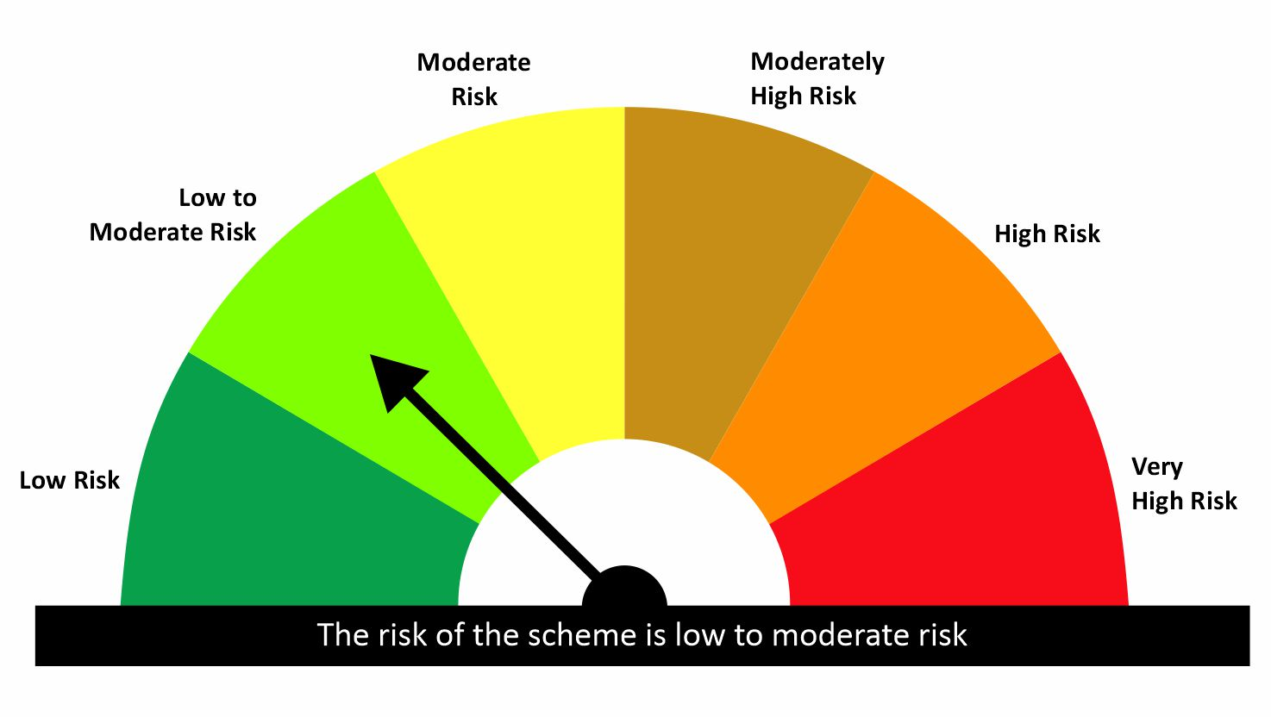

 |  |  |  | Scheme Riskometer |  | Benchmark Riskometer: CRISIL Liquid Debt A-I Index
Scheme Name |  |  | NAV as on date August 31, 2026
quant Liquid Fund - Regular Daily IDCW |  |  | 12.6177
quant Liquid Fund - Regular Growth |  |  | 44.0844
quant Liquid Fund - Regular Monthly IDCW |  |  | 15.1624
quant Liquid Fund - Regular Weekly IDCW |  |  | 14.5235
quant Liquid Fund - Direct Growth |  |  | 45.3921
quant Liquid Fund - Direct Monthly IDCW |  |  | 15.7725
quant Liquid Fund - Direct Weekly IDCW |  |  | 14.714
quant Liquid Fund - Direct Daily IDCW |  |  | 13.1596

Since Inception Date = Date of First allotment in the Scheme / Plan. Past performance may or may not be sustained in the future. Returns are compounded annualized (CAGR) for more than 1 year. Load is not taken into consideration for computation of performance. Different plans viz. Regular Plan and Direct Plan have a different expense structure. The expenses of the Direct Plan under the Scheme will be lower to the extent of the distribution expenses / commission charged in the Regular Plan.

quant Gilt Fund |  |  |  |  |  |  | AUM in (Cr.) | 75.69
Period | Scheme Return(%) |  | Benchmark Return(%) | T-Bill Return (%) | Value of Rs.10,000 invested
 |  |  |  |  | Scheme |  | Benchmark | T-Bill
 | Direct | Regular |  |  | Direct | Regular
6 Months | 4.26 | 3.08 | 2.78 | 5.59 | 10213 | 10154 | 10139 | 10276
YTD | 2.92 | 2.15 | 2.28 |  | 10292 | 10215 | 10228
1 Year | 5.14 | 3.98 | 4.87 | 5.64 | 10514 | 10398 | 10487 | 10564
3 Years | 6.12 | 5.09 | 6.9 | 7.05 | 11950 | 11605 | 12218 | 12268
5 Years |  |  |  | 3.65 |  |  |  | 11963
SI | 6.41 | 5.39 | 7.1 |  | 12579 | 12140 | 12882

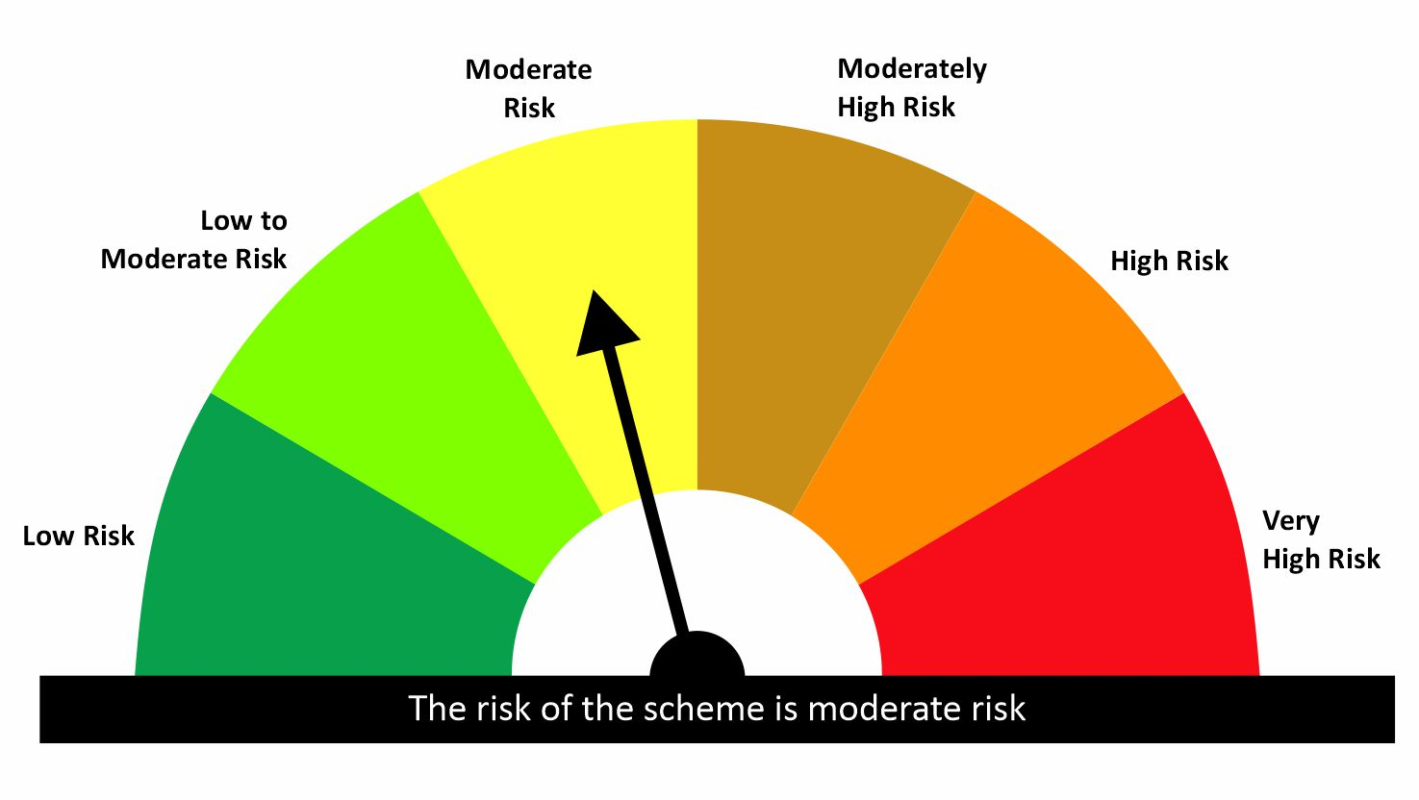

 |  |  |  | Scheme Riskometer |  | Benchmark Riskometer: CRISIL Dynamic Gilt Index
Scheme Name |  |  | NAV as on date August 31, 2026
quant Gilt Fund - Regular Growth |  |  | 12.1401
quant Gilt Fund - Regular IDCW |  |  | 12.1506
quant Gilt Fund - Direct Growth |  |  | 12.5787
quant Gilt Fund - Direct IDCW |  |  | 12.5641

Since Inception Date = Date of First allotment in the Scheme / Plan. Past performance may or may not be sustained in the future. Returns are compounded annualized (CAGR) for more than 1 year. Load is not taken into consideration for computation of performance. Different plans viz. Regular Plan and Direct Plan have a different expense structure. The expenses of the Direct Plan under the Scheme will be lower to the extent of the distribution expenses / commission charged in the Regular Plan.

quant Overnight Fund |  |  |  |  |  |  | AUM in (Cr.) | 58.08
Period | Scheme Return(%) |  | Benchmark Return(%) | T-Bill Return (%) | Value of Rs.10,000 invested
 |  |  |  |  | Scheme |  | Benchmark | T-Bill
 | Direct | Regular |  |  | Direct | Regular
7 Day | 4.76 | 4.7 | 4.3 | 5.74 | 10009 | 10009 | 10008 | 10011
15 Day | 4.73 | 4.65 | 4.31 | 5.71 | 10020 | 10019 | 10018 | 10021
1 Month | 4.89 | 4.81 | 5.13 | 5.74 | 10041 | 10040 | 10043 | 10047
3 Months | 5 | 4.93 | 5.21 | 6.03 | 10125 | 10123 | 10130 | 10147
6 Months | 5.03 | 4.95 | 5.22 | 5.59 | 10251 | 10247 | 10261 | 10276
YTD | 3.29 | 3.23 | 3.42 |  | 10329 | 10323 | 10342
1 Year | 5.09 | 5 | 5.29 | 5.64 | 10509 | 10500 | 10529 | 10564
3 Years | 6.18 | 6.09 | 6.12 | 7.05 | 11970 | 11939 | 11949 | 12268
5 Years |  |  |  | 3.65 |  |  |  | 11963
SI | 6.3 | 6.19 | 6.22 |  | 12567 | 12520 | 12530

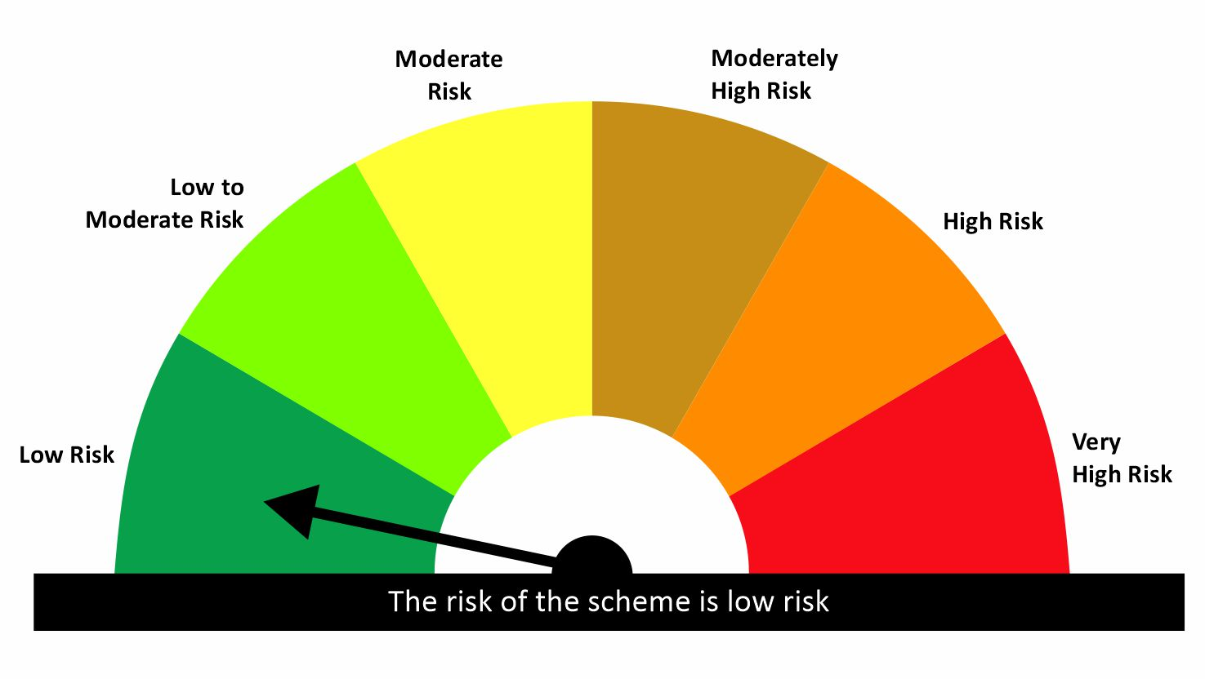

 |  |  |  | Scheme Riskometer |  | Benchmark Riskometer: CRISIL Liquid Overnight Index
Scheme Name |  |  | NAV as on date August 31, 2026
quant Overnight Fund - Regular Growth |  |  | 12.52
quant Overnight Fund - Regular IDCW |  |  | 12.5085
quant Overnight Fund - Direct Growth |  |  | 12.5669
quant Overnight Fund - Direct IDCW |  |  | 12.572

Since Inception Date = Date of First allotment in the Scheme / Plan. Past performance may or may not be sustained in the future. Returns are compounded annualized (CAGR) for more than 1 year. Load is not taken into consideration for computation of performance. Different plans viz. Regular Plan and Direct Plan have a different expense structure. The expenses of the Direct Plan under the Scheme will be lower to the extent of the distribution expenses / commission charged in the Regular Plan.

Hybrid
quant Multi Asset Allocation Fund |  |  |  |  |  |  | AUM in (Cr.) | 6,527.78
Period | Scheme Return(%) |  | Benchmark Return(%) | Nifty Return(%) | Value of Rs.10,000 invested
 |  |  |  |  | Scheme |  | Benchmark | Nifty
 | Direct | Regular |  |  | Direct | Regular
1 Month | -1.14 | -1.24 | 1 | -1.14 | 9886 | 9876 | 10100 | 9886
3 Months | -0.49 | -0.8 | 2.3 | 2.89 | 9951 | 9920 | 10230 | 10289
6 Months | 3.17 | 2.55 | 1.89 | -3.6 | 10317 | 10255 | 10189 | 9640
YTD | 6.19 | 5.35 |  | -7 | 10619 | 10535 |  | 9300
1 Year | 19.99 | 18.55 | 10.86 | -0.35 | 11999 | 11855 | 11086 | 9965
3 Years | 22.47 | 20.94 | 12.26 | 9 | 18370 | 17688 | 14147 | 12951
5 Years | 20.21 | 18.47 | 9.79 | 8.32 | 25097 | 23336 | 15952 | 14915
SI | 15.8 | 11.72 |  | 12.1 | 74005 | 166275 |  | 319462

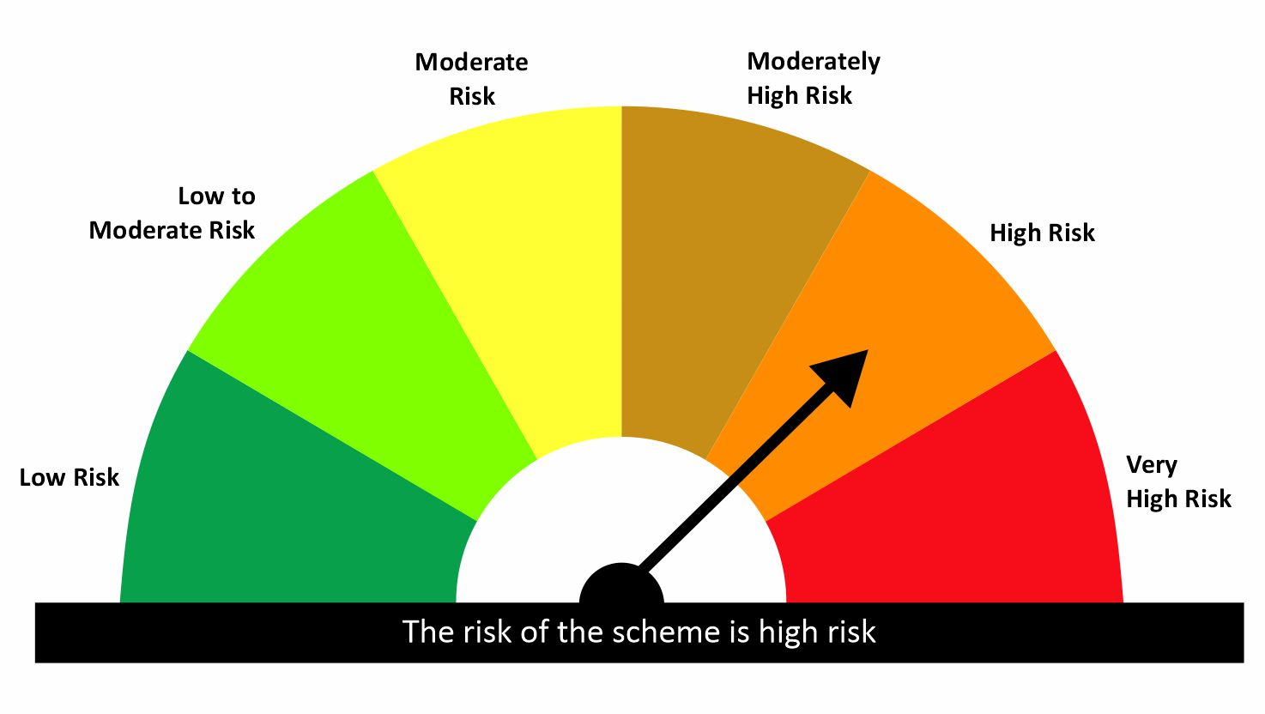
 |  |  |  | Scheme Riskometer |  | Benchmark Riskometer: 65% NIFTY 500 TRI + 15% CRISIL Short Term Bond Fund Index + 20% iCOMDEX Composite Index
Scheme Name |  |  | NAV as on date August 31, 2026
quant Multi Asset Allocation Fund - Regular IDCW |  |  | 152.424
quant Multi Asset Allocation Fund - Regular Growth |  |  | 166.2762
quant Multi Asset Allocation Fund - Direct IDCW |  |  | 166.6402
quant Multi Asset Allocation Fund - Direct Growth |  |  | 180.818

Since Inception Date = Date of First allotment in the Scheme / Plan. Past performance may or may not be sustained in the future. Returns are compounded annualized (CAGR) for more than 1 year. Load is not taken into consideration for computation of performance. Different plans viz. Regular Plan and Direct Plan have a different expense structure. The expenses of the Direct Plan under the Scheme will be lower to the extent of the distribution expenses / commission charged in the Regular Plan.

quant Aggressive Hybrid Fund |  |  |  |  |  |  | AUM in (Cr.) | 2,158.27
Period | Scheme Return(%) |  | Benchmark Return(%) | Nifty Return(%) | Value of Rs.10,000 invested
 |  |  |  |  | Scheme |  | Benchmark | Nifty
 | Direct | Regular |  |  | Direct | Regular
6 Months | 8.98 | 8.27 | -1.94 | -3.6 | 10898 | 10827 | 9806 | 9640
YTD | 6.27 | 5.36 | -4.11 | -7.06 | 10627 | 10536 | 9589 | 9294
1 Year | 13.3 | 11.84 | 0.9 | -0.35 | 11330 | 11184 | 10090 | 9965
3 Years | 14.28 | 12.81 | 8.1 | 9 | 14926 | 14357 | 12631 | 12951
5 Years | 13.56 | 12.06 | 7.47 | 8.32 | 18886 | 17673 | 14336 | 14915
SI | 16.49 | 16.28 | 10.74 | 12.1 | 80297 | 461407 | 40214 | 299887


 |  |  |  | Scheme Riskometer |  | Benchmark Riskometer: NIFTY 50 Hybrid Composite Debt 65:35 Index
Scheme Name |  |  | NAV as on date August 31, 2026
quant Aggressive Hybrid Fund - Regular IDCW |  |  | 63.6401
quant Aggressive Hybrid Fund - Regular Growth |  |  | 461.4041
quant Aggressive Hybrid Fund - Direct IDCW |  |  | 70.6219
quant Aggressive Hybrid Fund - Direct Growth |  |  | 509.8938

Since Inception Date = Date of First allotment in the Scheme / Plan. Past performance may or may not be sustained in the future. Returns are compounded annualized (CAGR) for more than 1 year. Load is not taken into consideration for computation of performance. Different plans viz. Regular Plan and Direct Plan have a different expense structure. The expenses of the Direct Plan under the Scheme will be lower to the extent of the distribution expenses / commission charged in the Regular Plan.

quant Arbitrage Fund |  |  |  |  |  |  | AUM in (Cr.) | 881.26
Period | Scheme Return(%) |  | Benchmark Return(%) | Nifty Return(%) | Value of Rs.10,000 invested
 |  |  |  |  | Scheme |  | Benchmark | Nifty
 | Direct | Regular |  |  | Direct | Regular
6 Months | 3.74 | 3.4 | 3.16 | -3.6 | 10374 | 10340 | 10316 | 9640
YTD | 5.1 | 4.65 | 4.48 | -7.06 | 10510 | 10465 | 10448 | 9294
1 Year | 7.68 | 7 | 7.06 | -0.35 | 10768 | 10700 | 10706 | 9965
3 Years
5 Years
SI | 10.66 | 9.73 | 9.79 | 7.15 | 11532 | 11396 | 11405 | 11021

 |  |  |  | Scheme Riskometer |  | Benchmark Riskometer: NIFTY 50 Arbitrage
Scheme Name |  |  | NAV as on date August 31, 2026
Quant Arbitrage Fund-Regular Growth |  |  | 10.9731
Quant Arbitrage Fund-Regular IDCW |  |  | 10.9734
Quant Arbitrage Fund-Direct Growth |  |  | 11.0662
Quant Arbitrage Fund-Direct IDCW |  |  | 11.0547

Since Inception Date = Date of First allotment in the Scheme / Plan. Past performance may or may not be sustained in the future. Returns are compounded annualized (CAGR) for more than 1 year. Load is not taken into consideration for computation of performance. Different plans viz. Regular Plan and Direct Plan have a different expense structure. The expenses of the Direct Plan under the Scheme will be lower to the extent of the distribution expenses / commission charged in the Regular Plan.

quant Dynamic Asset Allocation Fund |  |  |  |  |  |  | AUM in (Cr.) | 852.39
Period | Scheme Return(%) |  | Benchmark Return(%) | Nifty Return(%) | Value of Rs.10,000 invested
 |  |  |  |  | Scheme |  | Benchmark | Nifty
 | Direct | Regular |  |  | Direct | Regular
6 Months | 1.89 | 1.14 | -1.27 | -3.6 | 10189 | 10114 | 9873 | 9640
YTD | -0.76 | -1.71 | -2.87 | -7.06 | 9924 | 9829 | 9713 | 9294
1 Year | 2.81 | 1.33 | 1.38 | -0.35 | 10281 | 10133 | 10138 | 9965
3 Years | 15.01 | 13.34 | 7.65 | 9 | 15215 | 14558 | 12475 | 12951
5 Years
SI | 17.23 | 15.48 | 8.57 | 10.7 | 17134 | 16282 | 13212 | 14110

 |  |  |  | Scheme Riskometer |  | Benchmark Riskometer: NIFTY 50 Hybrid Composite debt 50:50 Index
Scheme Name |  |  | NAV as on date August 31, 2026
Quant Dynamic Asset Allocation Fund - Regular Growth |  |  | 16.2825
Quant Dynamic Asset Allocation Fund - Regular IDCW |  |  | 16.284
Quant Dynamic Asset Allocation Fund - Direct Growth |  |  | 17.1338
Quant Dynamic Asset Allocation Fund - Direct IDCW |  |  | 17.1277

Since Inception Date = Date of First allotment in the Scheme / Plan. Past performance may or may not be sustained in the future. Returns are compounded annualized (CAGR) for more than 1 year. Load is not taken into consideration for computation of performance. Different plans viz. Regular Plan and Direct Plan have a different expense structure. The expenses of the Direct Plan under the Scheme will be lower to the extent of the distribution expenses / commission charged in the Regular Plan.

quant Equity Savings Fund |  |  |  |  |  |  | AUM in (Cr.) | 59.44
Period | Scheme Return(%) |  | Benchmark Return(%) | Nifty Return(%) | Value of Rs.10,000 invested
 |  |  |  |  | Scheme |  | Benchmark | Nifty
 | Direct | Regular |  |  | Direct | Regular
6 Months | 6.11 | 5.18 | 0.64 | -3.6 | 10611 | 10518 | 10064 | 9640
YTD | 7.17 | 5.94 | 0 | -7.06 | 10717 | 10594 | 10000 | 9294
1 Year | 8.79 | 6.91 | 4.02 | -0.35 | 10879 | 10691 | 10402 | 9965
3 Years
5 Years
SI | 9.17 | 7.11 | 3.48 | -2.66 | 11016 | 10787 | 10385 | 9707

 |  |  |  | Scheme Riskometer |  | Benchmark Riskometer: NIFTY Equity Savings Index
Scheme Name |  |  | NAV as on date August 31, 2026
Quant Equity Savings Fund - Regular Growth |  |  | 10.7111
Quant Equity Savings Fund - Regular IDCW |  |  | 10.7106
Quant Equity Savings Fund - Direct Growth |  |  | 10.9167
Quant Equity Savings Fund - Direct IDCW |  |  | 10.8851

Since Inception Date = Date of First allotment in the Scheme / Plan. Past performance may or may not be sustained in the future. Returns are compounded annualized (CAGR) for more than 1 year. Load is not taken into consideration for computation of performance. Different plans viz. Regular Plan and Direct Plan have a different expense structure. The expenses of the Direct Plan under the Scheme will be lower to the extent of the distribution expenses / commission charged in the Regular Plan.

